LCOS
USD/SG FX | 1
180 kW Charger
Estimated nbr of EV cars per day | 12 |  | USD to RM | 4.2
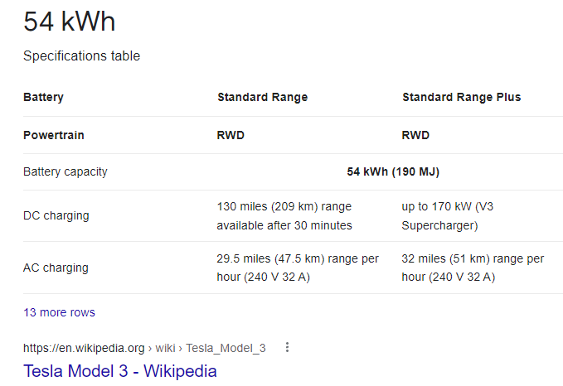
Car Battery Capacity (kWh) | 54
Time to charge (mins) from 0 to 100% | 18.00
ESS Size (kWh) | 720.00 | Factor
If ESS resized to ? (kWh) | 180.00 | 4
Nbr of Cycles | 4.00
ESS C-rate charge/ discharge | 1 | EV Car |  | USD$ | RM | Charging Battery %
 |  | Customer Pays |  |  | 2
 |  | Customer Pays |  | 0.48 | $/kWh | 50%
 |  | 27 | kWh Battery Charging | 12.86 | $/kWh
 |  | 12 | Cars per day for 1 year | 56,314.29
 |  |  | Revenue for Project Life | 385,714.29
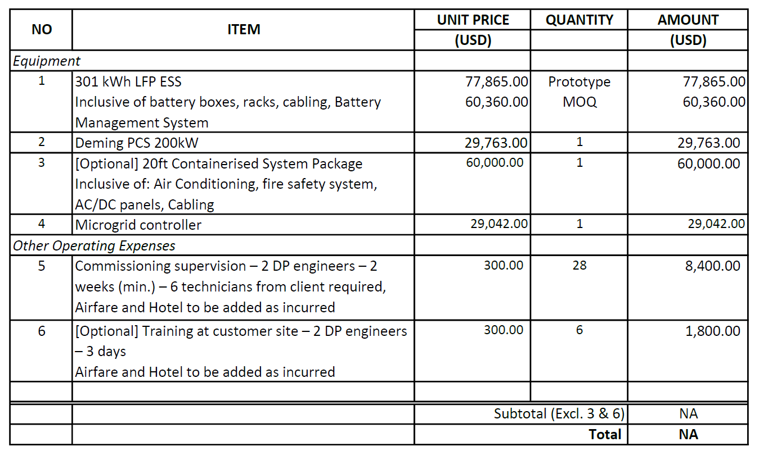
ESS |  |  | Lifetime Cost | 311,839.52
Power Output (MW) | 0.18 |  | GP | 73,874.77
Duration (Hours) | 1.00
Energy Capacity (MWh) | 0.18
Nos. of Cycles Per Day | 4
Depth of Discharge (DoD) | 90%
System Availability (%) | 83%
Project Life | 6.85
Memo: Annual Used Energy (MWh) | 197
Memo: Lifetime Used Energy (MWh) | 1,300

Total Initial Capex Cost (US$/kWh) | 890

Efficiency | 90%

Total Initial Capex Cost (S$) | 160,200.00 | Total Battery Lifecycle= |  | 10000
Total Lifetime Charging Cost (S$) | 147,243.63 | Assumption on EoL |  | 70% SOC
Total Lifetime O&M Cost (S$) | 4,395.89
Total Lifetime Cost | 311,839.52

LCOS (S$/kWh) | 0.23994616082

